DIOR SUNGLASSES
 |  |  |  |  |  |  |  | 400
Num | IMAGE | DESCRIPTION | FAMILY | COLOUR | SUBFAMILY | RETAIL PRICE | OFFER PRICE | STOCK | PRODUCT REFERENCE | EAN CODE
3 | 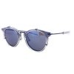 | Dior sunglasses | Men | Navy blue | Acetate | 310.00 € | 81.00 € | 4 | 0196S-IMZ | 762753670274
4 | 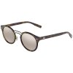 | Dior sunglasses | Men | Havana-black | Acetate | 340.00 € | 81.00 € | 1 | 0209S-20S | 762753355416
5 | 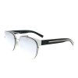 | Dior sunglasses | Men | Plata mate-negro | Acetate | 310.00 € | 81.00 € | 1 | BLACKTIE143S-02SDC | 762753455871
6 | 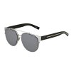 | Dior sunglasses | Men | Silver/Black | Acetate | 310.00 € | 81.00 € | 1 | BLACKTIE143S-02SIR | 762753456458
7 | 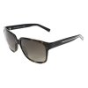 | Dior sunglasses | Men | Havana-black | Acetate | 310.00 € | 81.00 € | 1 | BLACKTIE146S-AM6 | 762753138477
8 | 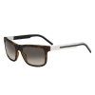 | Dior sunglasses | Men | Habana mate-plata | Acetate | 350.00 € | 86.00 € | 1 | BLACKTIE181S-J05 | 762753237682
9 | 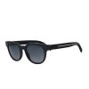 | Dior sunglasses | Men | Black | Acetate | 350.00 € | 86.00 € | 1 | BLACKTIE182S-LUH | 762753134448
10 | 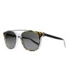 | Dior sunglasses | Men | Habana-Transparent | Acetate | 350.00 € | 86.00 € | 3 | BLACKTIE211S-LCQ | 762753119131
11 | 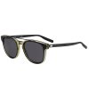 | Dior sunglasses | Men | Black-Transparent | Acetate | 350.00 € | 86.00 € | 2 | BLACKTIE211S-VVL | 827886425600
12 | 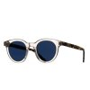 | Dior sunglasses | Men | Transparente-havana | Acetate | 320.00 € | 81.00 € | 1 | BLACKTIE218S-QYX | 762753832320
13 | 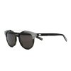 | Dior sunglasses | Men | Gun mate-habana | Acetate | 320.00 € | 81.00 € | 1 | BLACKTIE220S-T69 | 827886403868
14 | 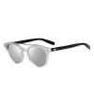 | Dior sunglasses | Men | Plata mate-transparente | Acetate | 320.00 € | 81.00 € | 1 | BLACKTIE220S-T6E | 827886403493
15 | 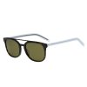 | Dior sunglasses | Men | Havana-transparente | Acetate | 280.00 € | 77.00 € | 2 | BLACKTIE221S-SRS | 762753855701
16 | 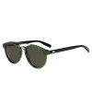 | Dior sunglasses | Men | Green-Black | Acetate | 280.00 € | 77.00 € | 1 | BLACKTIE231S-UHP | 762753404428
17 | 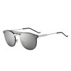 | Dior sunglasses | Men | Grey | Metal | 360.00 € | 86.00 € | 1 | 0211S-6LD | 762753404107
18 | 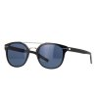 | Dior sunglasses | Men | Navy blue-black | Metal | 270.00 € | 77.00 € | 2 | AL135-GAN | 762753480125
19 | 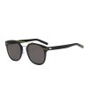 | Dior sunglasses | Men | Black-Black. | Metal | 270.00 € | 77.00 € | 2 | AL135-GR2 | 762753480453
20 | 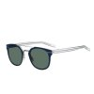 | Dior sunglasses | Men | Azul marino-transparente | Metal | 270.00 € | 77.00 € | 2 | AL135-PSP | 827886037971
21 | 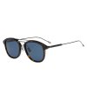 | Dior sunglasses | Men | Habana-negro mate | Metal | 290.00 € | 77.00 € | 1 | BLACKTIE227S-TCJ | 827886797028
22 | 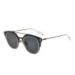 | Dior sunglasses | Men | Gun-plata | Metal | 290.00 € | 77.00 € | 2 | COMPOSIT10-010 | 762753171757
23 | 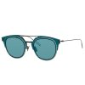 | Dior sunglasses | Men | Dark Turquoise | Metal | 290.00 € | 77.00 € | 3 | COMPOSIT10-A2J | 762753171818
24 | 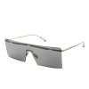 | Dior sunglasses | Men | Grey-Black | Metal | 320.00 € | 81.00 € | 1 | HARDIOR-061 | 716736005041
25 | 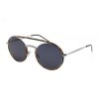 | Dior sunglasses | Men | Havana | Metal | 310.00 € | 81.00 € | 1 | SYNTHESIS01-EPZ | 762753791146
26 | 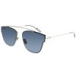 | Dior sunglasses | Unisex | Silver. | Metal | 340.00 € | 81.00 € | 2 | 0204S-010 | 827886116652
27 | 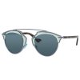 | Dior sunglasses | Unisex | Azul claro-habana | Metal | 290.00 € | 77.00 € | 5 | SOREAL-KLY | 762753825360
28 | 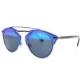 | Dior sunglasses | Unisex | Azul metalizado-habana | Metal | 290.00 € | 77.00 € | 8 | SOREAL-KMA | 762753825728
29 | 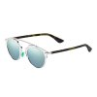 | Dior sunglasses | Unisex | Plata-habana oscuro | Metal | 290.00 € | 77.00 € | 6 | SOREAL-NSY | 762753268815
30 | 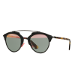 | Dior sunglasses | Unisex | Black-havana | Metal | 290.00 € | 77.00 € | 3 | SOREAL-NT1 | 762753269607
31 | 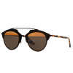 | Dior sunglasses | Unisex | Black-havana | Metal | 290.00 € | 77.00 € | 1 | SOREAL-RJK | 762753646033
32 | 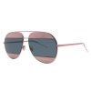 | Dior sunglasses | Unisex | Pink | Metal | 350.00 € | 86.00 € | 12 | SPLIT1-02T | 762753335586
33 | 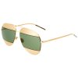 | Dior sunglasses | Unisex | Dorado-verde | Metal | 350.00 € | 86.00 € | 12 | SPLIT1-085 | 827886494118
34 | 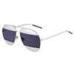 | Dior sunglasses | Unisex | Plateado-azul marino | Metal | 350.00 € | 86.00 € | 1 | SPLIT1-0KU | 827886494149
35 | 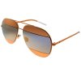 | Dior sunglasses | Unisex | Gold | Metal | 350.00 € | 86.00 € | 4 | SPLIT1-1VT | 762753591975
36 | 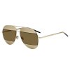 | Dior sunglasses | Unisex | Golden-Brown | Metal | 350.00 € | 86.00 € | 1 | SPLIT1-J5G | 762753598332
37 | 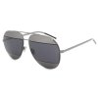 | Dior sunglasses | Unisex | Silver-Black | Metal | 350.00 € | 86.00 € | 1 | SPLIT1-KJ1 | 762753249630
38 | 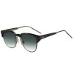 | Dior sunglasses | Unisex | Habana-gun | Acetate | 350.00 € | 86.00 € | 1 | SPECTRAL-01H | 762753463388
39 | 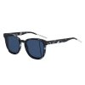 | Dior sunglasses | Unisex | Marrón-havana | Acetate | 320.00 € | 81.00 € | 1 | STEP-4SN | 762753465801
40 | 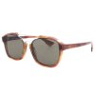 | Dior sunglasses | Women | Brown | Acetate | 360.00 € | 86.00 € | 1 | ABSTRACT-056 | 762753268150
41 | 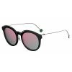 | Dior sunglasses | Women | Black-gun | Acetate | 330.00 € | 81.00 € | 8 | BLOSSOM-ANS | 762753191885
42 | 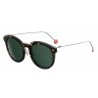 | Dior sunglasses | Women | Habana-gun | Acetate | 330.00 € | 81.00 € | 2 | BLOSSOM-OM7 | 762753191878
43 | 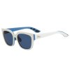 | Dior sunglasses | Women | White-Sky Blue | Acetate | 290.00 € | 77.00 € | 4 | DECALE2-BRK | 762753459268
44 | 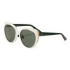 | Dior sunglasses | Women | White-Green | Acetate | 290.00 € | 77.00 € | 1 | IFIC1N-6CO | 762753167682
45 | 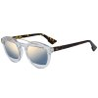 | Dior sunglasses | Women | Havana-transparente | Acetate | 350.00 € | 86.00 € | 6 | MANIA1-LWP | 762753713056
46 | 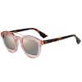 | Dior sunglasses | Women | Rosa cristal-habana | Acetate | 350.00 € | 86.00 € | 5 | MANIA1-N71 | 762753940087
47 | 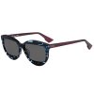 | Dior sunglasses | Women | Habana azul-burdeos | Acetate | 350.00 € | 86.00 € | 1 | MANIA2-HK3 | 762753699091
48 | 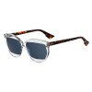 | Dior sunglasses | Women | Havana-transparente | Acetate | 350.00 € | 86.00 € | 4 | MANIA2-T6V | 762753699176
49 | 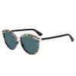 | Dior sunglasses | Women | Blue-Black | Acetate | 350.00 € | 86.00 € | 1 | OFFSET2-9N7 | 762753934031
50 | 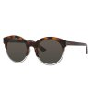 | Dior sunglasses | Women | Havana-Silver | Acetate | 310.00 € | 81.00 € | 8 | SIDERAL1-J6A | 762753836878
51 | 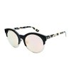 | Dior sunglasses | Women | Black-havana | Acetate | 310.00 € | 81.00 € | 1 | SIDERAL1-XV5 | 762753699190
52 | 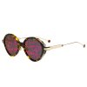 | Dior sunglasses | Women | Gold-habana | Acetate | 350.00 € | 86.00 € | 1 | UMBRAGE-0X3 | 762753476821
53 |  | Dior sunglasses | Women | Verde havana-dorado | Acetate | 350.00 € | 86.00 € | 1 | UMBRAGE-0X4 | 762753476838
54 |  | Dior sunglasses | Women | Verde-havana | Acetate | 350.00 € | 86.00 € | 2 | UMBRAGE-0X8 | 762753476852
55 |  | Dior sunglasses | Women | Blue-brown | Acetate | 350.00 € | 86.00 € | 5 | UMBRAGE-MJN | 762753477132
56 |  | Dior sunglasses | Women | Silver | Metal | 310.00 € | 81.00 € | 2 | AMA1-TGU | 827886065783
57 |  | Dior sunglasses | Women | Pink/Blue. | Metal | 320.00 € | 81.00 € | 1 | AMACLUB-FBX | 762753684189
58 |  | Dior sunglasses | Women | Silver-Blue. | Metal | 320.00 € | 81.00 € | 1 | AUDACIEUSE1-4CL | 827886346967
59 |  | Gafas de sol Dior | Women | Silver-Blue. | Metal | 320.00 € | 81.00 € | 1 | EYES-3FT | 762753760432
60 |  | Dior sunglasses | Women | Gold | Metal | 330.00 € | 81.00 € | 16 | MIRRORED-I20 | 762753716132
61 |  | Dior sunglasses | Women | Blue | Metal | 330.00 € | 81.00 € | 21 | MIRRORED-I22 | 762753716392
62 |  | Dior sunglasses | Women | Blue-White | Metal | 330.00 € | 81.00 € | 3 | MIRRORED-I29 | 762753716538
63 |  | Dior sunglasses | Women | Black-Multicolour | Metal | 350.00 € | 81.00 € | 1 | OFFSET1-9N7 | 762753753182
64 |  | Dior sunglasses | Women | Verde ocuro-gris claro | Metal | 320.00 € | 81.00 € | 1 | REFLECTED-1RO | 762753038760
65 |  | Dior sunglasses | Women | Gold-white | Metal | 320.00 € | 81.00 € | 1 | REFLECTED-31U | 762753093639
66 |  | Dior sunglasses | Women | Gun-habana | Metal | 320.00 € | 81.00 € | 3 | REFLECTED-31Z | 762753093677
67 |  | Dior sunglasses | Women | Silver-White | Metal | 320.00 € | 81.00 € | 2 | REFLECTED-85L | 762753256102
68 |  | Dior sunglasses | Women | Silver/Black | Metal | 320.00 € | 81.00 € | 1 | REFLECTED-EEI | 762753093776
69 |  | Dior sunglasses | Women | Gold-Havana | Metal | 320.00 € | 81.00 € | 11 | REFLECTED-PRE | 762753528636
70 |  | Dior sunglasses | Women | Verde oscuro-habana | Metal | 320.00 € | 81.00 € | 2 | REFLECTED-PVZ | 762753528643
71 |  | Dior sunglasses | Women | Silver/Black | Metal | 320.00 € | 81.00 € | 2 | REFLECTED-TK1 | 762753203618
72 |  | Dior sunglasses | Women | Silver-ivory | Metal | 320.00 € | 81.00 € | 4 | REFLECTED-TUP | 762753982353
73 |  | Dior sunglasses | Women | Gun-gris | Metal | 320.00 € | 81.00 € | 2 | REFLECTED-TUY | 762753982360
74 |  | Dior sunglasses | Women | Silver. | Metal | 290.00 € | 77.00 € | 1 | SCULPT-010 | 762753345790
75 |  | Dior sunglasses | Women | Azul metálizado | Metal | 290.00 € | 77.00 € | 1 | SCULPT-KN9 | 762753345813
76 |  | Dior sunglasses | Women | Rosa metálico | Metal | 290.00 € | 77.00 € | 2 | SCULPT-R7U | 762753346124
77 |  | Dior sunglasses | Women | Silver | Metal | 300.00 € | 81.00 € | 3 | SIDERAL2-JA6 | 762753836458
78 |  | Dior sunglasses | Women | Azul metálizado | Metal | 300.00 € | 81.00 € | 2 | SIDERAL2-MZP | 762753707758
79 |  | Dior sunglasses | Women | Gold | Metal | 310.00 € | 77.00 € | 2 | SOELECTRIC-266DJ | 762753016201
80 |  | Dior sunglasses | Women | Gold-white | Metal | 310.00 € | 77.00 € | 5 | SOELECTRIC-266NR | 762753015952
81 |  | Dior sunglasses | Women | Verde-dorado | Metal | 310.00 € | 77.00 € | 1 | SOELECTRIC-26H | 762753016041
82 |  | Dior sunglasses | Women | Silver-Havana | Metal | 290.00 € | 77.00 € | 3 | SOREAL-0MD | 762753496799
83 |  | Dior sunglasses | Women | Silver-Havana | Metal | 290.00 € | 77.00 € | 10 | SOREAL-0TT | 827886531615
84 |  | Dior sunglasses | Women | Silver-Havana | Metal | 450.00 € | 97.00 € | 16 | SOREAL-P7Q | 762753393111
85 |  | Dior sunglasses | Women | Plata-habana violeta | Metal | 450.00 € | 97.00 € | 27 | SOREAL-P7R | 762753393135
86 |  | Dior sunglasses | Women | Havana-amarillo | Metal | 310.00 € | 81.00 € | 4 | SOREALPOP-000 | 762753705006
87 |  | Dior sunglasses | Women | Gold-habana | Metal | 310.00 € | 81.00 € | 5 | SOREALPOP-06J | 762753705501
88 |  | Dior sunglasses | Women | Silver-Havana | Metal | 310.00 € | 81.00 € | 4 | SOREALPOP-3YG | 762753706362
89 |  | Dior sunglasses | Women | Oro rosa-habana | Metal | 310.00 € | 81.00 € | 3 | SOREALPOP-DDB | 762753706379
90 |  | Dior sunglasses | Women | Gun-habana | Metal | 310.00 € | 81.00 € | 2 | SOREALPOP-KJ1 | 762753706393
91 |  | Dior sunglasses | Women | Gold-Pink | Metal | 350.00 € | 86.00 € | 9 | SPLIT1-00J | 827886494132
92 |  | Dior sunglasses | Women | Silver. | Metal | 330.00 € | 81.00 € | 1 | STELLAIRE2-010 | 716736015408
93 |  | Dior sunglasses | Women | Silver | Metal | 330.00 € | 81.00 € | 2 | STELLAIRE3-010 | 716736051307
94 |  | Dior sunglasses | Women | Pink-Grey | Metal | 300.00 € | 81.00 € | 2 | SUN-RCM | 762753859563
95 |  | Dior sunglasses | Women | Grey-Blue. | Metal | 300.00 € | 81.00 € | 5 | SUN-RCV | 762753859976
96 |  | Dior sunglasses | Women | Silver/Black | Metal | 300.00 € | 81.00 € | 1 | SYMMETRIC-GBY | 762753756466
97 |  | Dior sunglasses | Women | Black | Metal | 310.00 € | 81.00 € | 1 | SYSTEM-20S | 762753714220
98 |  | Dior sunglasses | Women | Plata-negro mate | Metal | 310.00 € | 81.00 € | 16 | TECHNOLOGIC-84J | 762753653970
99 |  | Dior sunglasses | Women | Azul marino-negro mate | Metal | 310.00 € | 81.00 € | 2 | TECHNOLOGIC-PQU | 762753536006
100 |  | Dior sunglasses | Women | Gris claro-negro mate | Metal | 310.00 € | 81.00 € | 18 | TECHNOLOGIC-PQX | 762753598769
101 |  | Dior sunglasses | Women | Dorado-negro mate | Metal | 310.00 € | 81.00 € | 17 | TECHNOLOGIC-RHL | 762753654007
102 |  | Dior sunglasses | Women | Blue marine-white | Metal | 310.00 € | 81.00 € | 7 | TECHNOLOGIC-TVC | 827886007486
103 |  | Dior sunglasses | Women | Pink-White | Metal | 310.00 € | 81.00 € | 2 | TECHNOLOGIC-TVG | 827886068043
104 |  | Dior sunglasses | Women | Grey-Pink | Metal | 350.00 € | 86.00 € | 4 | UN-BKL | 762753562371
105 |  | Dior sunglasses | Women | Garnet-blue. | Metal | 350.00 € | 86.00 € | 2 | UN-BOF | 762753562395

